お取引条件
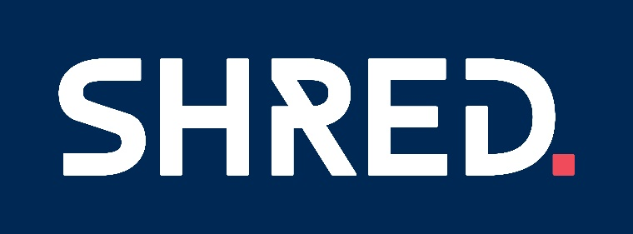

2024年お取引条件
商品ブランド |  | 基本掛率 | ＦＯ特別条件 | FO締切
SHRED | HELMET | 65% | ※ＦＯ上代計10万円以上ご発注店舗 FO60% 以降追加分は65% ※ＦＯ上代計50万円以上ご発注店舗 FO55% 以降追加分は60% | 2024-02-09
 | GOGGLE
 | PROTECTOR
 | SPARE LENS SUNGRASS | 80% | ※FOでのご発注 60%

※ご不明点は担当営業までご相談ください

